Table of contents

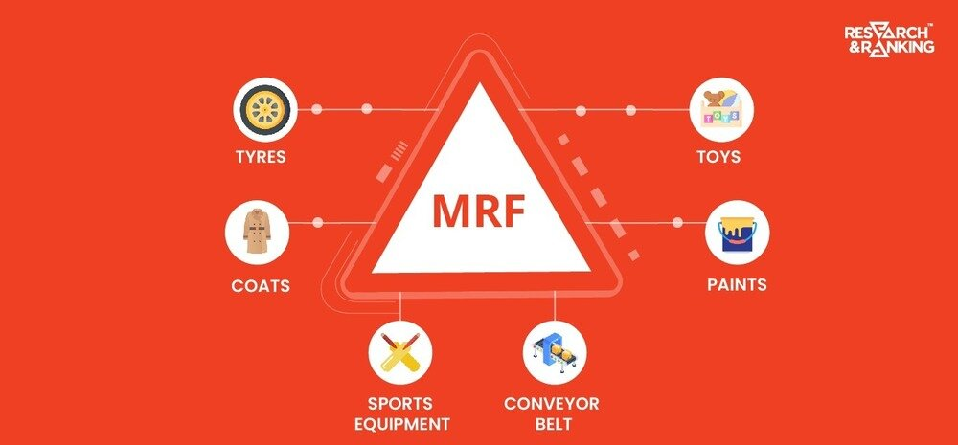


Table of contents:

About
Financial Statements Analysis
Common Size Statements Analysis
Ratio Analysis
Relative Valuation
Weighted Average Cost of Capital
Intrensic Growth
Discounted Cash Flow Analysis
Dupont Analysis
Dupont Interpretation
Altman Z Score Analysis
Altman Z Score Interpretation

Common Statement

 | Common size Statements - MRF Ltd

 |  |  |  | 4.5

 | Years | 2021-03-01 | 2022-03-01 | 2023-03-02 | 2024-03-01 | 2025-03-01

# | Income Statement

 | Sales | 100.00% | 100.00% | 100.00% | 100.00% | 100.00%
 | Raw Material Cost | 55.49% | 69.56% | 68.61% | 60.65% | 65.77%
 | Change in Inventory | (2.19%) | 4.43% | 1.51% | 0.73% | 2.10%
 | Power and Fuel | 4.05% | 4.82% | 4.94% | 4.56% | 4.32%
 | Other Mfr. Exp | 4.48% | 4.74% | 4.16% | 4.24% | 4.31%
 | Employee Cost | 8.76% | 7.78% | 6.94% | 7.15% | 6.70%
 | Selling and admin | 5.36% | 5.76% | 5.39% | 6.16% | 5.61%
 | Other Expenses | 1.39% | 1.10% | 1.02% | 0.99% | 0.85%
 | Other Income | 1.27% | 1.63% | 1.06% | 1.22% | 1.44%
 | Depreciation | 7.06% | 6.24% | 5.45% | 5.68% | 5.87%
 | Interest | 1.74% | 1.36% | 1.42% | 1.43% | 1.31%
 | Profit before tax | 10.75% | 4.70% | 4.65% | 11.07% | 8.81%
 | Tax | 2.84% | 1.24% | 1.31% | 2.81% | 2.17%
 | Net profit | 7.90% | 3.46% | 3.34% | 8.27% | 6.64%
 | Dividend Amount | 0.39% | 0.33% | 0.32% | 0.34% | 0.35%

# | Balance Sheet

 | Equity Capital | 0.02% | 0.02% | 0.02% | 0.01% | 0.01%
 | Reserves | 59.38% | 60.83% | 60.33% | 62.20% | 62.52%

 | Total Equity | 59.40% | 60.85% | 60.35% | 62.21% | 62.53%

 | Long term Borrowings | 3.60% | 3.54% | 3.38% | 2.70% | 1.26%
 | Short term Borrowings | 5.35% | 8.68% | 6.59% | 5.03% | 8.56%
 | Lease Liabilities | 1.63% | 1.78% | 2.40% | 2.78% | 2.93%

 | Total non-current Liabilities | 10.57% | 14.00% | 12.37% | 10.51% | 12.75%

 | Trade Payables | 14.64% | 8.92% | 10.00% | 9.88% | 9.54%
 | Other liability items | 15.38% | 16.23% | 17.28% | 17.40% | 15.17%

 | Total Current Liabilities | 30.02% | 25.15% | 27.28% | 27.28% | 24.71%

 | Total Liabilities | 40.60% | 39.15% | 39.65% | 37.79% | 37.47%

 | Total Liabilities and Equity | 100.00% | 100.00% | 100.00% | 100.00% | 100.00%

 | Land | 3.00% | 2.94% | 2.81% | 2.63% | 2.41%
 | Building | 15.39% | 16.07% | 17.61% | 19.02% | 19.18%
 | Plant Machinery | 37.29% | 39.96% | 41.47% | 45.45% | 47.60%
 | Equipments | 3.31% | 3.77% | 3.99% | 4.32% | 4.39%
 | Computers | 0.24% | 0.25% | 0.27% | 0.30% | 0.31%
 | Furniture n fittings | 0.15% | 0.16% | 0.16% | 0.16% | 0.17%
 | Vehicles | 0.72% | 0.78% | 0.88% | 0.86% | 0.82%
 | Other fixed assets | 2.25% | 2.38% | 2.45% | 2.59% | 2.65%
 | CWIP | 4.44% | 5.35% | 12.50% | 8.88% | 3.95%
 | Investments | 26.01% | 15.85% | 12.66% | 12.60% | 15.38%

 | Total Non-Current Assets | 41.81% | 41.29% | 41.52% | 44.87% | 44.72%

 | Inventories | 13.01% | 17.91% | 16.99% | 16.64% | 19.02%
 | Trade receivables | 9.50% | 10.12% | 10.27% | 10.85% | 11.40%
 | Cash Equivalents | 0.75% | 1.11% | 1.06% | 1.28% | 1.27%
 | Loans n Advances | 0.31% | 0.33% | 0.33% | 0.37% | 0.38%
 | Other asset items | 4.16% | 8.04% | 4.67% | 4.51% | 3.88%

 | Total Current Assets | 27.74% | 37.50% | 33.32% | 33.65% | 35.95%

 | Total Assets | 100.00% | 100.00% | 100.00% | 100.00% | 100.00%

Ratios
Ratio Analysis - MRF Ltd

 |  |  |  |  |  |  | 4.5

Liquidity Ratios
 | 2021-03-31 | 2022-03-31 | 2023-03-31 | 2024-03-31 | 2025-03-31 | Graph |  | Mean | Median

Current Ratio | 0.77x | 1.16x | 1.04x | 1.05x | 1.28x |  |  | 1.06x | 1.05x
Quick Ratio | 0.34x | 0.45x | 0.42x | 0.44x | 0.51x |  |  | 0.43x | 0.44x
Cash Ratio | 0.02x | 0.04x | 0.04x | 0.05x | 0.05x |  |  | 0.04x | 0.04x
Operating Cashflow | 0.64x | (0.10x) | 0.41x | 0.45x | 0.26x |  |  | 0.33x | 0.41x

Solvency Ratios

Debt to Equity Ratio | 0.18x | 0.23x | 0.20x | 0.17x | 0.20x |  |  | 0.20x | 0.20x
Debt Ratio | 0.11x | 0.14x | 0.12x | 0.11x | 0.13x |  |  | 0.12x | 0.12x
Intrest Coverage Ratio | 6.44x | 3.26x | 3.53x | 7.87x | 6.64x |  |  | 5.55x | 6.44x
Equity Ratio | 0.59x | 0.61x | 0.60x | 0.62x | 0.63x |  |  | 0.61x | 0.61x
Debt to Capital Ratio | 0.15x | 0.19x | 0.17x | 0.14x | 0.17x |  |  | 0.16x | 0.17x

Profitability Ratios

Gross Profit Margin | 0.25x | 0.18x | 0.17x | 0.24x | 0.21x |  |  | 0.21x | 0.21x
Operating Margin | 0.45x | 0.25x | 0.30x | 0.47x | 0.41x |  |  | 0.38x | 0.41x
Net Profit Margin | 0.32x | 0.20x | 0.20x | 0.34x | 0.32x |  |  | 0.27x | 0.32x
Return on Assets | 0.06x | 0.03x | 0.03x | 0.08x | 0.07x |  |  | 0.05x | 0.06x
Return on Equity | 0.02x | 0.01x | 0.01x | 0.03x | 0.03x |  |  | 0.02x | 0.02x
Return on Capital Employed | 0.11x | 0.05x | 0.06x | 0.15x | 0.11x |  |  | 0.10x | 0.11x

Efficiency Ratios

Inventory Turnover Ratio | 4.15x | 4.51x | 4.63x | 4.44x | 4.41x |  |  | 4.42x | 4.44x
Recievables Turnover Ratio | 7.53x | 8.28x | 9.19x | 8.64x | 8.35x |  |  | 8.40x | 8.35x
Payables Turnover Ratio | 4.89x | 9.39x | 9.45x | 9.49x | 9.98x |  |  | 8.64x | 9.45x
Asset Turnover Ratio | 0.77x | 0.85x | 0.97x | 0.98x | 1.00x |  |  | 0.91x | 0.97x
Working Capital Turnover | (10.59x) | 21.01x | 90.35x | 62.77x | 13.64x |  |  | 35.43x | 21.01x

Market Value Ratios

Earnings per Share | 0.03% | 0.01% | 0.01% | 0.04% | 0.04% |  |  | 0.03% | 0.03%
Price to Earnings (in cr) | 30.99 | 55.99 | 62.86 | 30.68 | 25.57 |  |  | 41.22 | 30.99
Dividend Yield | 0.18% | 0.27% | 0.24% | 0.18% | 0.00% |  |  | 0.17% | 0.18%

Over the five‑year period, MRF Ltd. has shown stable liquidity with the Current Ratio averaging 1.06x and a moderate improvement in FY25 to 1.28x, indicating better short‑term solvency. However, the Quick Ratio (0.43x average) and Cash Ratio (0.04x) suggest limited immediate liquid assets relative to liabilities, which could pose working capital pressure if cash inflows slow down.

On the solvency side, the Debt‑to‑Equity Ratio remained conservative at an average of 0.20x, reflecting a low reliance on debt financing. Interest Coverage improved significantly in FY24–25 (7.87x and 6.64x), pointing to comfortable debt‑servicing capacity. The Equity Ratio at ~0.61x further supports strong capitalization.

Profitability margins have been resilient. The Net Profit Margin averaged 27%, peaking at 34% in FY24 and FY25, while Operating Margins averaged 38%. Return on Assets (0.05x) and Return on Equity (0.02x) remain modest, suggesting scope for better asset utilization and shareholder returns.

Efficiency ratios depict stable operations with Inventory Turnover around 4.4x and Receivables Turnover ~8.4x. Asset Turnover improved from 0.77x in FY21 to 1.00x in FY25, signaling better revenue generation per asset unit.

From a market perspective, Price‑to‑Earnings (in ₹ crores) showed volatility, peaking at 62.86 in FY23 before easing to 25.57 in FY25, possibly reflecting improved earnings or moderated investor expectations. Dividend Yield stayed modest (0.17% average), aligning with a reinvestment‑focused approach.

Overall, MRF has maintained strong solvency and operational efficiency, with improved liquidity in FY25. The steady profitability and prudent leverage position the company for sustainable growth, though returns on equity could be enhanced through improved asset productivity and strategic capital allocation.

Liquidity Ratios
Solvency Ratios

Profitability Ratios
Efficiency Ratios

Dupont
Dupont Analysis - MRF Ltd

 |  |  |  | 4.5

Return on Equity (ROE)
 | 2021-03-01 | 2022-03-01 | 2023-03-01 | 2024-03-01 | 2025-03-01
Net Profit | 1277.06 | 669.23 | 768.93 | 2081.22 | 1869.28
Average Shareholder Equity | 12814.19 | 13722.71 | 14369.705 | 15705.325 | 17595.725
Return on Equity | 9.97% | 4.88% | 5.35% | 13.25% | 10.62%

ROE - Dupont Equation
 | 2021-03-01 | 2022-03-01 | 2023-03-01 | 2024-03-01 | 2025-03-01
Net Profit | 1277.06 | 669.23 | 768.93 | 2081.22 | 1869.28
Revenue | 16162.49 | 19316.65 | 23008.33 | 25168.73 | 28152.5
Net Profit Margin | 7.90% | 3.46% | 3.34% | 8.27% | 6.64%

Revenue | 16162.49 | 19316.65 | 23008.33 | 25168.73 | 28152.5
Average Total Asset | 21012.1 | 22820.8 | 23714.575 | 25609.42 | 28208.21
Asset Turnover Ratio | 76.92% | 84.64% | 97.02% | 98.28% | 99.80%

Average Total Asset | 21012.1 | 22820.8 | 23714.575 | 25609.42 | 28208.21
Average Shareholder Equity | 12814.19 | 13722.71 | 14369.705 | 15705.325 | 17595.725
Equity Multiplier | 1.64x | 1.66x | 1.65x | 1.63x | 1.60x

Return on Equity | 9.97% | 4.88% | 5.35% | 13.25% | 10.62%

Return on Asset (ROA)
 | 2021-03-01 | 2022-03-01 | 2023-03-01 | 2024-03-01 | 2025-03-01
Net Profit | 1277.06 | 669.23 | 768.93 | 2081.22 | 1869.28
Average Total Asset | 21012.1 | 22820.8 | 23714.575 | 25609.42 | 28208.21
Return on Asset | 6.08% | 2.93% | 3.24% | 8.13% | 6.63%

ROE - Dupont Equation
 | 2021-03-01 | 2022-03-01 | 2023-03-01 | 2024-03-01 | 2025-03-01
Net Profit | 1277.06 | 669.23 | 768.93 | 2081.22 | 1869.28
Revenue | 16162.49 | 19316.65 | 23008.33 | 25168.73 | 28152.5
Net Profit Margin | 7.90% | 3.46% | 3.34% | 8.27% | 6.64%

Revenue | 16162.49 | 19316.65 | 23008.33 | 25168.73 | 28152.5
Average Total Asset | 21012.1 | 22820.8 | 23714.575 | 25609.42 | 28208.21
Asset Turnover Ratio | 76.92% | 84.64% | 97.02% | 98.28% | 99.80%

Return on Asset | 6.08% | 2.93% | 3.24% | 8.13% | 6.63%

Financial Stability | Stressed | Distressed | Distressed | Healthy | Healthy
Return on Equity
Return on Assets

